Chile
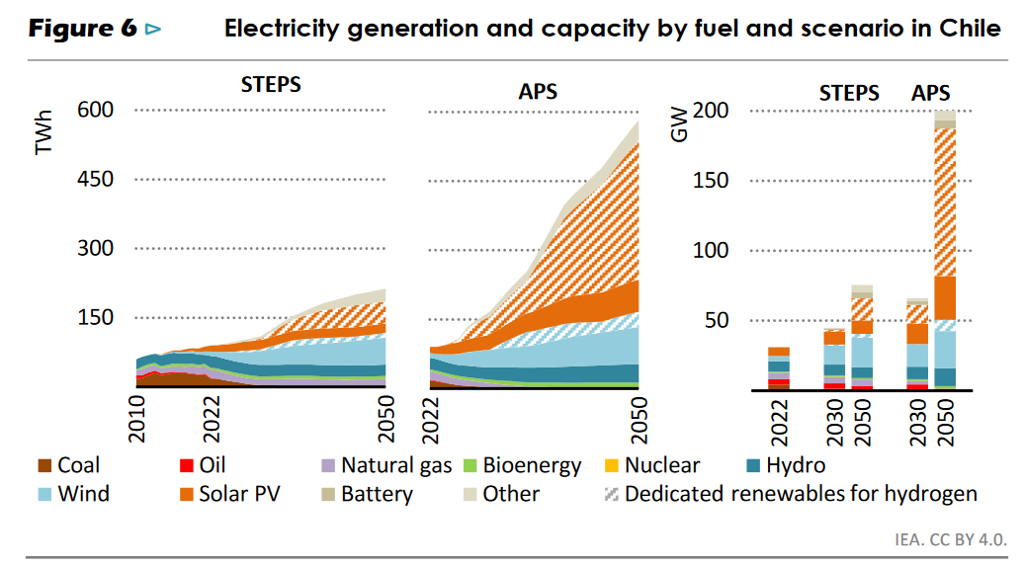
scenario | region | technology | variables | units | 2020 | 2025 | 2030 | 2035 | 2040
STEPS | CL | Coal | Production|Electricity|Coal | TWh/year | 27.1 | 11.5 | 0.0 | 0.0 | 0.0
STEPS | CL | Natural gas | NGCC | Production|Electricity|Natural gas combined cycle | TWh/year | 9.7 | 8.4 | 8.2 | 9.0 | 9.4 | Assumed 62% of natural gas production, based on electricity mix in ecoinvent v3.10
STEPS | CL | Natural gas | NG | Production|Electricity|Natural gas conventional | TWh/year | 5.9 | 5.1 | 5.0 | 5.5 | 5.8 | Assumed 38% of natural gas production, based on electricity mix in ecoinvent v3.10
STEPS | CL | Bioenergy | Production|Electricity|Bioenergy | TWh/year | 5.2 | 7.3 | 9.5 | 9.4 | 7.6
STEPS | CL | Hydro | Production|Electricity|Hydro run-of-river | TWh/year | 21.9 | 25.0 | 24.6 | 22.9 | 23.7
STEPS | CL | Wind | Production|Electricity|Wind onshore | TWh/year | 5.2 | 19.8 | 29.3 | 42.7 | 46.4
STEPS | CL | Solar PV | Production|Electricity|Solar PV | TWh/year | 9.4 | 16.7 | 17.0 | 18.8 | 18.0
STEPS | CL | Other | Production|Electricity|Other | TWh/year | 0.0 | 0.0 | 0.0 | 7.3 | 15.1 | Discarded in scenario data
 |  |  |  |  | 84.4 | 93.8 | 93.7 | 115.6 | 125.9

APS | CL | Coal | Production|Electricity|Coal | TWh/year | 27.1 | 6.6 | 0.0 | 0.0 | 0.0
APS | CL | Natural gas | NGCC | Production|Electricity|Natural gas combined cycle | TWh/year | 9.7 | 9.5 | 5.4 | 0.0 | 0.0
APS | CL | Natural gas | NG | Production|Electricity|Natural gas conventional | TWh/year | 5.9 | 5.8 | 3.3 | 0.0 | 0.0
APS | CL | Bioenergy | Production|Electricity|Bioenergy | TWh/year | 5.2 | 6.6 | 8.8 | 12.0 | 14.6
APS | CL | Hydro | Production|Electricity|Hydro run-of-river | TWh/year | 21.9 | 23.0 | 25.2 | 30.7 | 32.4
APS | CL | Wind | Production|Electricity|Wind onshore | TWh/year | 5.2 | 21.9 | 41.6 | 49.3 | 61.7
APS | CL | Solar PV | Production|Electricity|Solar PV | TWh/year | 9.4 | 26.3 | 33.9 | 40.5 | 50.2
APS | CL | Other | Production|Electricity|Other | TWh/year | 0.0 | 0.0 | 10.9 | 19.7 | 31.4 | Discarded in scenario data
Chile - STEPS
 |  |  |  |  | 84.4 | 99.6 | 129.2 | 152.2 | 190.3
 |  |  | Summary for figure
 |  |  | Tech | 2020 | 2025 | 2030 | 2035 | 2040
 |  | STEPS | Hard coal | 32% | 12% | 0% | 0% | 0%
 |  | STEPS | Natural gas | 19% | 14% | 14% | 13% | 12%
 |  | STEPS | Bioenergy | 6% | 8% | 10% | 8% | 6%
 |  | STEPS | Hydro | 26% | 27% | 26% | 20% | 19%
 |  | STEPS | Wind | 6% | 21% | 31% | 37% | 37%
 |  | STEPS | PV | 11% | 18% | 18% | 16% | 14%
 |  | STEPS | Other | 0% | 0% | 0% | 6% | 12%

Chile - APS
 |  | APS | Hard coal | 32% | 7% | 0% | 0% | 0%
 |  | APS | Natural gas | 19% | 15% | 7% | 0% | 0%
 |  | APS | Bioenergy | 6% | 7% | 7% | 8% | 8%
 |  | APS | Hydro | 26% | 23% | 19% | 20% | 17%
 |  | APS | Wind | 6% | 22% | 32% | 32% | 32%
 |  | APS | PV | 11% | 26% | 26% | 27% | 26%
 |  | APS | Other | 0% | 0% | 8% | 13% | 16%

Argentina
scenario | region | technology IEA | variables | units | 2020 | 2025 | 2030 | 2035 | 2040
STEPS | AR | Coal | Production|Electricity|Coal | TWh/year | 6.7 | 10.0 | 0.0 | 0.0 | 0.0
STEPS | AR | Natural gas | NGCC | Production|Electricity|Natural gas combined cycle | TWh/year | 65.8 | 57.9 | 57.9 | 48.7 | 38.2 | Assumed 79% of natural gas production, based on electricity mix in ecoinvent v3.10
STEPS | AR | Natural gas | NG | Production|Electricity|Natural gas conventional | TWh/year | 17.5 | 15.4 | 15.4 | 12.9 | 10.1 | Assumed 21% of natural gas production, based on electricity mix in ecoinvent v3.10
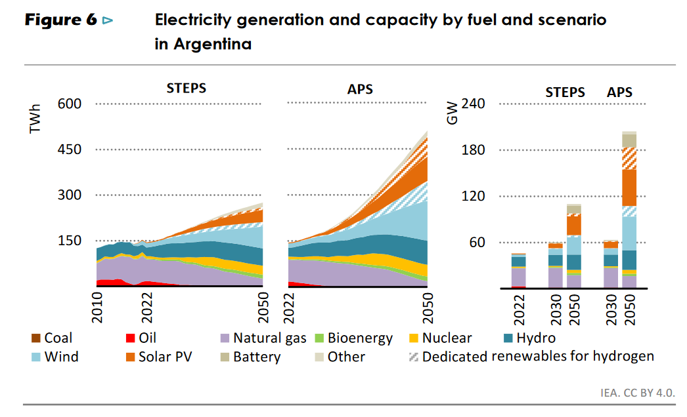
STEPS | AR | Bioenergy | Production|Electricity|Bioenergy | TWh/year | 0.0 | 0.0 | 10.0 | 6.7 | 10.0
STEPS | AR | Nuclear | Production|Electricity|Nuclear PWR | TWh/year | 13.3 | 10.0 | 13.3 | 26.7 | 30.0
STEPS | AR | Hydro | Pumped storage | Production|Electricity|Hydro storage | TWh/year | 0.6 | 0.8 | 0.9 | 1.0 | 1.1 | Assumed 2% of hydro production, based on electricity mix in ecoinvent v3.10
STEPS | AR | Hydro | Reservoir, alpine | Production|Electricity|Hydro reservoir alpine | TWh/year | 7.1 | 10.0 | 11.2 | 12.5 | 13.7 | Assumed 25% of hydro production, based on electricity mix in ecoinvent v3.10
STEPS | AR | Hydro | Reservoir, non-alpine | Production|Electricity|Hydro reservoir non-alpine | TWh/year | 6.8 | 9.6 | 10.8 | 12.0 | 13.2 | Assumed 24% of hydro production, based on electricity mix in ecoinvent v3.10
STEPS | AR | Hydro | Reservoir, tropical | Production|Electricity|Hydro reservoir tropical | TWh/year | 12.7 | 18.0 | 20.2 | 22.5 | 24.7 | Assumed 45% of hydro production, based on electricity mix in ecoinvent v3.10
STEPS | AR | Hydro | Run-of-river | Production|Electricity|Hydro run-of-river | TWh/year | 0.6 | 0.8 | 0.9 | 1.0 | 1.1 | Assumed 2% of hydro production, based on electricity mix in ecoinvent v3.10
STEPS | AR | Wind | Production|Electricity|Wind onshore | TWh/year | 12.2 | 20.8 | 24.2 | 29.3 | 42.8
STEPS | AR | Solar PV | Production|Electricity|Solar PV | TWh/year | 0.0 | 0.0 | 10.0 | 18.3 | 23.3
 |  |  |  |  | 143.3 | 153.3 | 175.0 | 191.7 | 208.3

APS | AR | Coal | Production|Electricity|Coal | TWh/year | 6.7 | 11.3 | 0.0 | 0.0 | 0.0
APS | AR | Natural gas | NGCC | Production|Electricity|Natural gas combined cycle | TWh/year | 65.8 | 58.6 | 61.2 | 54.8 | 44.6
APS | AR | Natural gas | NG | Production|Electricity|Natural gas conventional | TWh/year | 17.5 | 15.6 | 16.3 | 14.6 | 11.9
APS | AR | Bioenergy | Production|Electricity|Bioenergy | TWh/year | 0.0 | 0.0 | 6.5 | 8.1 | 12.9
APS | AR | Nuclear | Production|Electricity|Nuclear PWR | TWh/year | 13.3 | 12.9 | 14.5 | 27.4 | 35.5
APS | AR | Hydro | Pumped storage | Production|Electricity|Hydro storage | TWh/year | 0.6 | 0.7 | 0.9 | 1.0 | 1.3 | Assumed 2% of hydro production, based on electricity mix in ecoinvent v3.10
APS | AR | Hydro | Reservoir, alpine | Production|Electricity|Hydro reservoir alpine | TWh/year | 7.1 | 9.3 | 10.9 | 12.9 | 16.1 | Assumed 25% of hydro production, based on electricity mix in ecoinvent v3.10
APS | AR | Hydro | Reservoir, non-alpine | Production|Electricity|Hydro reservoir non-alpine | TWh/year | 6.8 | 8.9 | 10.5 | 12.4 | 15.5 | Assumed 24% of hydro production, based on electricity mix in ecoinvent v3.10
APS | AR | Hydro | Reservoir, tropical | Production|Electricity|Hydro reservoir tropical | TWh/year | 12.7 | 16.7 | 19.6 | 23.2 | 29.0 | Assumed 45% of hydro production, based on electricity mix in ecoinvent v3.10
APS | AR | Hydro | Run-of-river | Production|Electricity|Hydro run-of-river | TWh/year | 0.6 | 0.7 | 0.9 | 1.0 | 1.3 | Assumed 2% of hydro production, based on electricity mix in ecoinvent v3.10
APS | AR | Wind | Production|Electricity|Wind onshore | TWh/year | 12.2 | 18.5 | 28.3 | 36.5 | 62.6
APS | AR | Solar PV | Production|Electricity|Solar PV | TWh/year | 0.0 | 6.5 | 11.3 | 25.8 | 41.9
 |  |  |  |  | 143.3 | 159.7 | 180.6 | 217.7 | 272.6
Argentina - STEPS
 |  |  | Summary for figure
 |  |  | Tech | 2020 | 2025 | 2030 | 2035 | 2040
 |  | STEPS | Hard coal | 5% | 7% | 0% | 0% | 0%
 |  | STEPS | Natural gas | 58% | 48% | 42% | 32% | 23%
 |  | STEPS | Bioenergy | 0% | 0% | 6% | 3% | 5%
 |  | STEPS | Nuclear | 9% | 7% | 8% | 14% | 14%
 |  | STEPS | Hydro | 19% | 26% | 25% | 26% | 26%
 |  | STEPS | Wind | 9% | 14% | 14% | 15% | 21%
 |  | STEPS | PV | 0% | 0% | 6% | 10% | 11%

 |  | APS | Hard coal | 5% | 7% | 0% | 0% | 0%
 |  | APS | Natural gas | 58% | 46% | 43% | 32% | 21%
 |  | APS | Bioenergy | 0% | 0% | 4% | 4% | 5%
Argentina - APS
 |  | APS | Nuclear | 9% | 8% | 8% | 13% | 13%
 |  | APS | Hydro | 19% | 23% | 24% | 23% | 23%
 |  | APS | Wind | 9% | 12% | 16% | 17% | 23%
 |  | APS | PV | 0% | 4% | 6% | 12% | 15%

